Sheet1
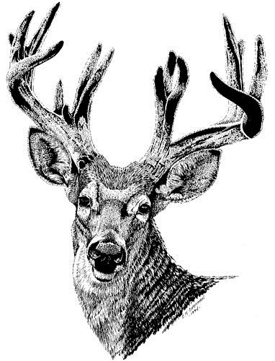

 |  |  | WHITETAIL DEER (NON-TYPICAL-VELVET)

 |  | Minimum Score 115 |  |  |  | Odocoileus hemionus

Score | County | Name | Address | Year | State | Rank
179.875 | Dawson | Ryan Reynolds | Lexington | 2020 | NE | 1 | 1
 |  |  |  |  | NE | 2 | 2
 |  |  |  |  |  | 2 | 3
 |  |  |  |  |  | 2 | 4
 |  |  |  |  |  | 2 | 5

